Sheet1
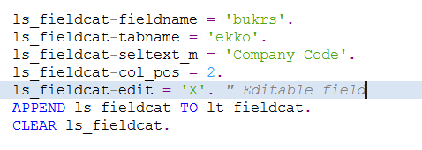
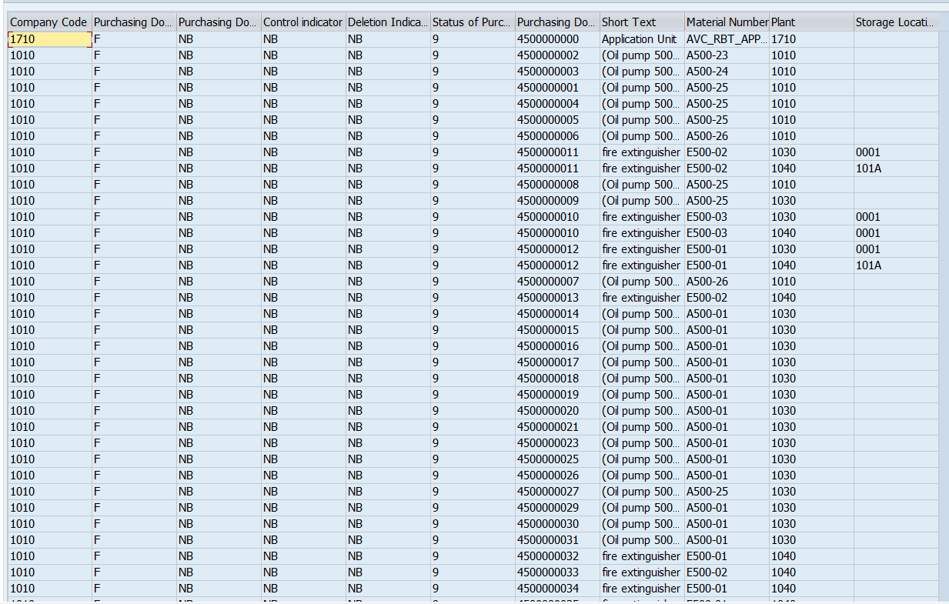
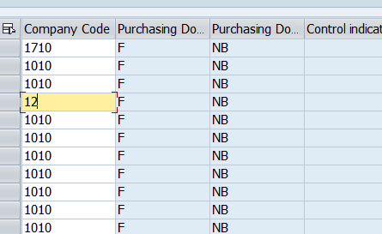
Assignment No | 5
Program Name | ZALV_WITH_MANUAL_FCAT

 | Hide The Field | Edit Field

